Sheet1
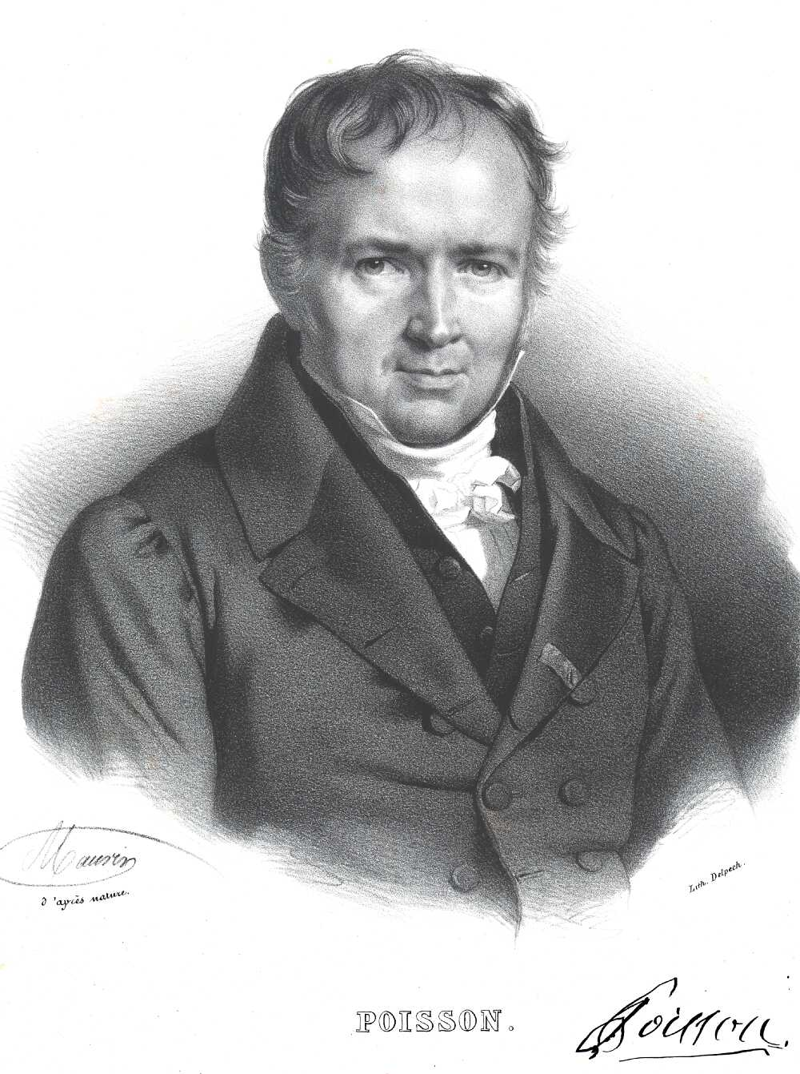
Poisson Distribution
 | Origin | Discovered by Mathematician Simeon Poisson in France in 1781
 | Poisson Distribution | It was derived as an approximation to the binomial distribution
 | Definition | It is a probability model which is usually defined by the mean numbers of occurrences in a time interval and simply denoted by λ (lambda) λ = Mean number of occurrence
 | Features & Conditions | 1. All occurrence are independent
 |  | 2. The probability of an occurrence is constant over time
 |  | 3. No upper limit with the number of occurances of an event during the a specified time period
 |  | 4. The probability of a single occurance of an event within a specified time period is proportional to the length of the time period or interval
 |  | 5. In an extremely small portion of the time period, the probability of two of more occurenaces of an event is negligible
 |  | 6. It is also a discrete probability distribution and it is the limiting form of the binomia distribution
 |  | 7. The range of the random variable is 0<=r<infinity
 |  | 8. It consists of single parameter m only so the entire distribution can be obtained by knowing this value only
 |  | 9. It is a positive skewed distribution. The skewness therefore decrease when mean increases.
 | Where the Poission Distribution is used | Poission Distribution is used in the following
 |  | n = Number of Trail - Very Large (Number of trails are independent)
 |  | p = Probability of Success is very small
 | When used | it is used when probability of success become very low
 |  | example: Defects in Accounts, Testing, Accidents
 | Features 2 | Mean number of occurrence
 |  | Interval / time period
 |  | Probability of rare event
 | Example | Number of accident on the Highway Road
 |  | We can calculate probability of accident occurrence
 |  | We can not calculate probability of no accident occurrence
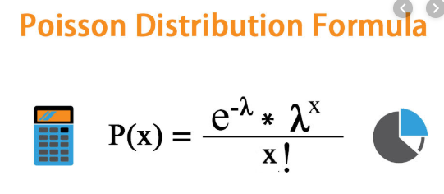

 | λ = Mean number of occurrence
 | x = No. of trails (range of x is 0 to infinity)

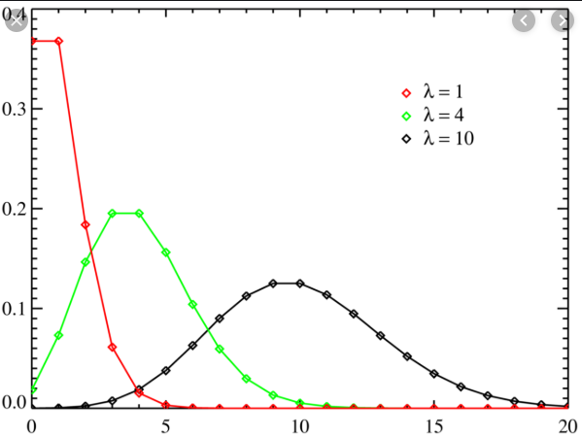

 | Parameter | λ (Lambda)

 | Mean and Standard Deviation of Poisson Distribution | Mean E(x) = u = λ
 |  | SD V(x) =σ2 = √λ

 | Example | There is a 1 km to 10 km road where have some defect. Mean per km is 5 and Number of defects are 4. Find the probability of 4 defects

 |  | p(x) = λx x e-λ /x!

 |  | λ = 5 (Mean occurance)
 |  | x = 4 | 5^4 | e^-5
 |  | 5^4 * e^-5 / 4! | 625 | 0.0067379696606
 |  | 0.17546795991 |  | 24
 |  |  |  | 4!
 | Approximation to Binomial | In Binomial Distribution, Trails are become very larg and probability becomes very low that is approximation to Binomial Distribution |  | 4.2112310379
 |  | In case of, |  | 0.17546795991
 |  | Trails = Very large
 |  | Probability of success =Very Low

 |  | The above case Poisson distribution probability as approximate to Binomial Distribution
 |  | When we use poisson distribution as approximation of Binomial Distribution So we will get nearest result of Binomail Distribution

